SAOB51891701 BKKBDG163600
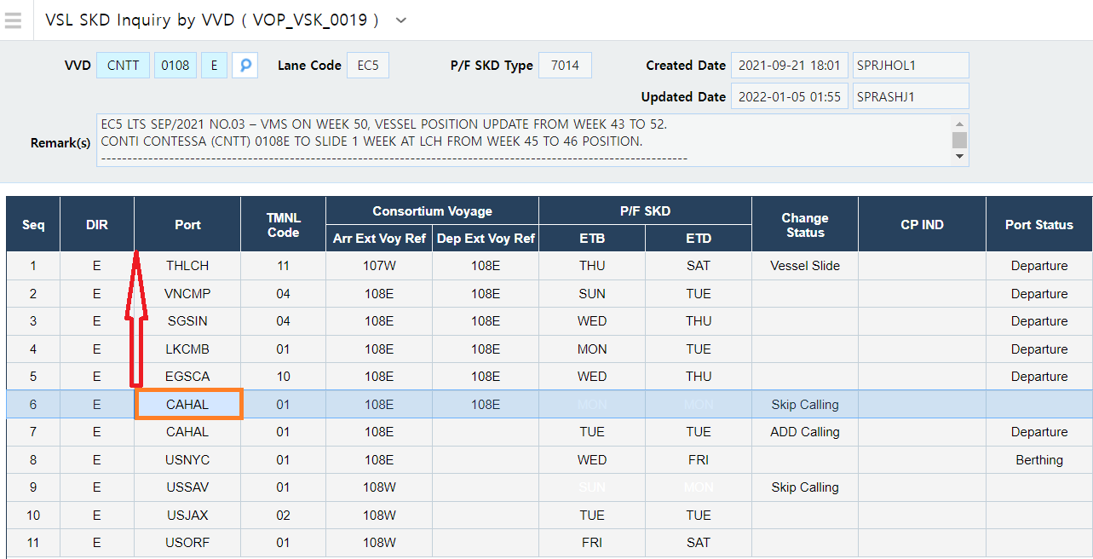
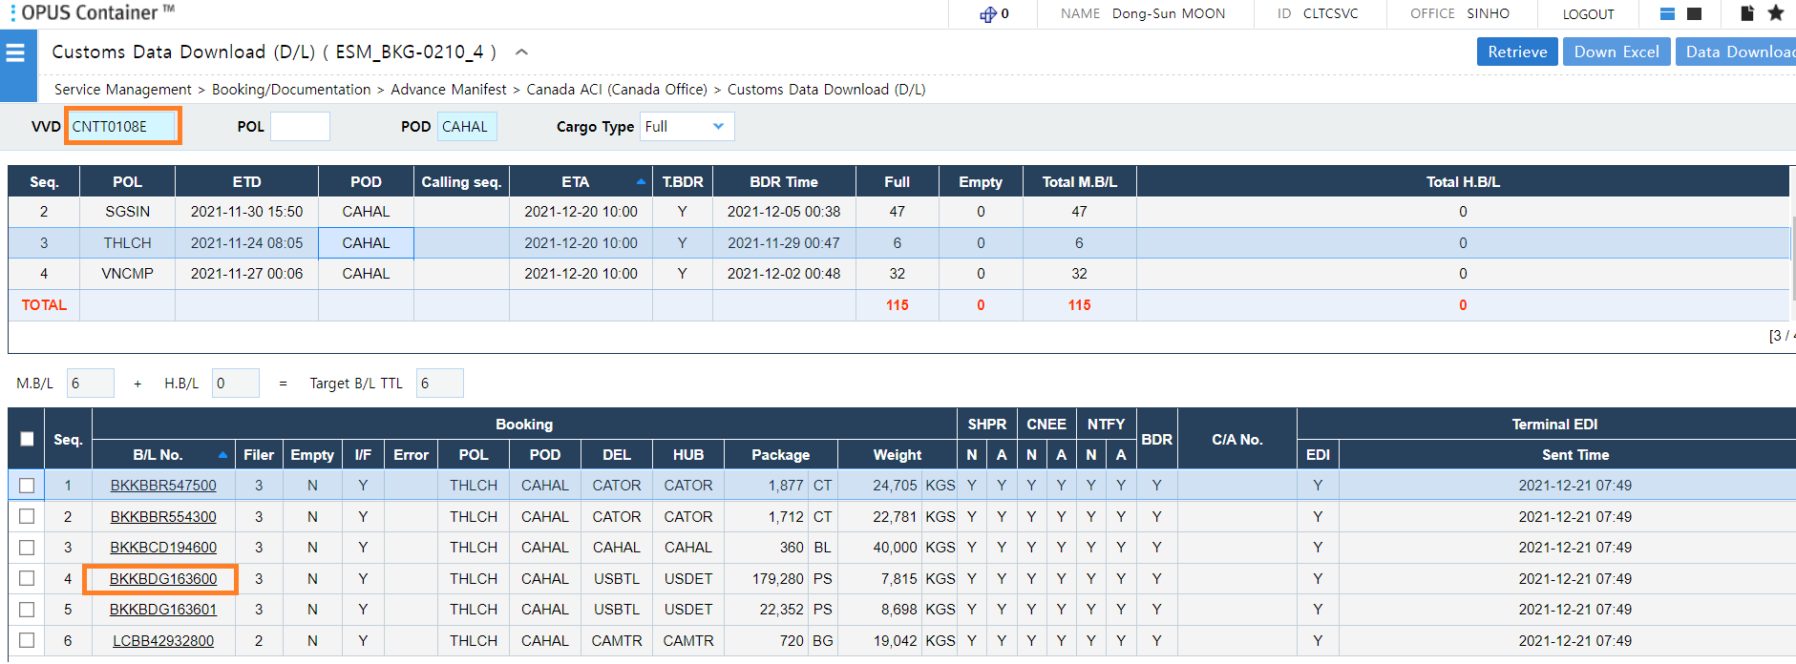
Let me explain the current logic in relation to BL SAOB51891701.
The reason it is not displayed on the Manifest Details by B/L (US Office) screen is because it was not automatically downloaded in relation to US customs.
Before downloading US customs information, check the existence of US ports prior to CA ports.
It will not download US customs information if it exists.
As shown in the capture below, the US port has passed before the CA port.
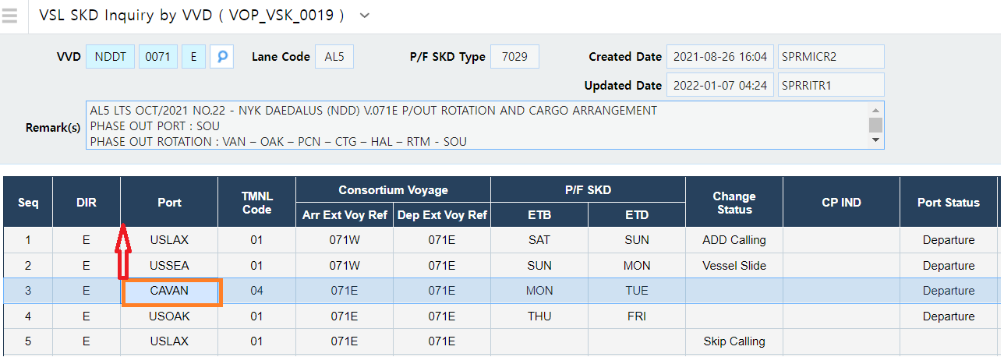
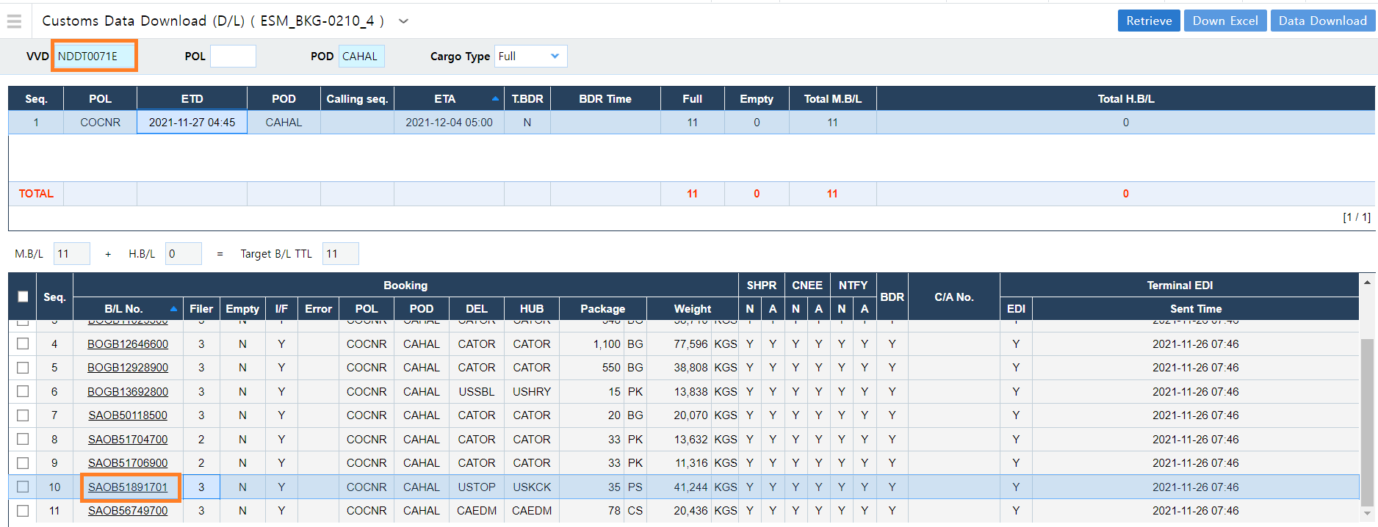

In case of BKKBDG163600, US ports do not exist before CA ports.
So the US customs information automatically downloaded and displayed on the Manifest Details by B/L (US Office) screen.

